Front & Preliminaries
 |  |  |  |  | SPECIFICATION | May 2023
 |  |  |  |  | IOGP S-734D | Version 1.1

Public Review Draft

 | Procurement Data Sheet for
 | AC Uninterruptible Power Supply (UPS)
 | System (PIP)

 | Revision history
 | VERSION | DATE |  | PURPOSE
 | 1.1 | May 2023 |  | Issued for Public Review
 | 1.0 | November 2020 |  | First Edition

Public Review Draft

 | Acknowledgements

 | This IOGP Specification was prepared by a Joint Industry Programme 33
 | Standardization of Equipment Specifications for Procurement organized
 | by IOGP with support by the World Economic Forum (WEF).

 | Disclaimer
 | Whilst every effort has been made to ensure the accuracy of the information
 | contained in this publication, neither IOGP nor any of its Members past present or
 | future warrants its accuracy or will, regardless of its or their negligence, assume
 | liability for any foreseeable or unforeseeable use made thereof, which liability is
 | hereby excluded. Consequently, such use is at the recipient’s own risk on the basis
 | that any use by the recipient constitutes agreement to the terms of this disclaimer.
 | The recipient is obliged to inform any subsequent recipient of such terms.
 | Please note that this publication is provided for informational purposes and
 | adoption of any of its recommendations is at the discretion of the user. Except as
 | explicitly stated otherwise, this publication must not be considered as a substitute
 | for government policies or decisions or reference to the relevant legislation relating
 | to information contained in it.
 | Where the publication contains a statement that it is to be used as an industry
 | standard, IOGP and its Members past, present, and future expressly disclaim all
 | liability in respect of all claims, losses or damages arising from the use or
 | application of the information contained in this publication in any industrial application.
 | Any reference to third party names is for appropriate acknowledgement of their
 | ownership and does not constitute a sponsorship or endorsement.

 | Copyright notice
 | The contents of these pages are © International Association of Oil & Gas Producers.
 | Permission is given to reproduce this report in whole or in part provided (i)
 | that the copyright of IOGP and (ii) the sources are acknowledged. All other rights are
 | reserved. Any other use requires the prior written permission of IOGP.
 | These Terms and Conditions shall be governed by and construed in accordance
 | with the laws of England and Wales. Disputes arising here from shall be exclusively
 | subject to the jurisdiction of the courts of England and Wales.

IOGP S-734D (1.1) Procurement Data Sheet for
AC Uninterruptible Power Supply (UPS) System (PIP)

Public Review Draft

Foreword

 | This specification was prepared under Joint Industry Programme 33 (JIP33) "Standardization of Equipment Specifications for Procurement" organized by the International Oil & Gas Producers Association (IOGP) with the support from the World Economic Forum (WEF). Companies from the IOGP membership participated in developing this specification to leverage and improve industry level standardization globally in the oil and gas sector. The work has developed a minimized set of supplementary requirements for procurement, with life cycle cost in mind, resulting in a common and jointly agreed specification, building on recognized industry and international standards.

 | Recent trends in oil and gas projects have demonstrated substantial budget and schedule overruns. The Oil and Gas Community within the World Economic Forum (WEF) has implemented a Capital Project Complexity (CPC) initiative which seeks to drive a structural reduction in upstream project costs with a focus on industry-wide, non-competitive collaboration and standardization. The CPC vision is to standardize specifications for global procurement for equipment and packages. JIP33 provides the oil and gas sector with the opportunity to move from internally to externally focused standardization initiatives and provide step change benefits in the sector's capital projects performance.

 | This specification has been developed in consultation with a broad user and supplier base to realize benefits from standardization and achieve significant project and schedule cost reductions.

 | The JIP33 work groups performed their activities in accordance with IOGP's Competition Law Guidelines (November 2020).

IOGP S-734D (1.1) Procurement Data Sheet for
AC Uninterruptible Power Supply (UPS) System (PIP)

Public Review Draft

Introduction

 | The purpose of this procurement data sheet is to define purchaser specific requirements for the procurement of AC uninterruptible power supply (UPS) system in accordance with IOGP S-734 for application in the petroleum and natural gas industries. The procurement data sheet provides project specific requirements where the specification requires the purchaser to define an application specific requirement. It also includes information required by the purchaser for technical evaluation purposes. Additional purchaser supplied documents can be listed in the procurement data sheet to define scope and technical requirements for enquiry and purchase of the equipment.

 | This procurement data sheet shall be used in conjunction with the specification (IOGP S-734), information requirements specification (IOGP S-734L) and quality requirements specification (IOGP S-734Q) which together comprise the full set of specification documents. The introduction section in the specification provides further information on the purpose of each of these documents and the order of precedence for their use.
 |  |  | 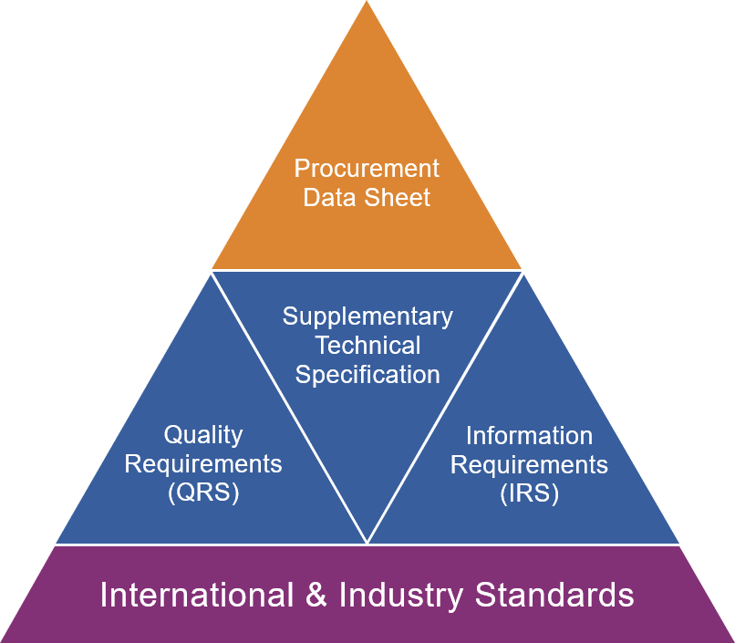
JIP33 Specification for Procurement Documents Procurement Data Sheet

Procurement Data Sheet
Public Review Draft
Row | IOGP S-734D (1.1) Procurement Data Sheet for AC Uninterruptible Power Supply (UPS) System (PIP) |  |  |  |  |  |  | Issue
2 | Ref. Clause | Description | Purchaser requirement | Purchaser requirement UOM | Supplier offered value | Supplier offered UOM | Additional notes
3 |  | General
4 | 1,4.1.1,4.8.2 | UPS type : | pulse-width modulated |  | pulse-width modulated
5 | 4.1.5,Figure 1,Figure 2 | UPS configuration : | Figure 1 - single |  | Figure 1 - single
6 |  | Black start : | not required |  | not required
7 | 4.1.3 | Certification : | UL 1778 |  | UL 1778
8 | 4.1.25 | Electrical installation code : | select |  | select
9 | 4.1.17 | Maximum noise level : | manufacturer's standard | dBA | manufacturer's standard | dBA
10 | 4.1.19 | Cable entry : | select |  | select
11 | 4.1.19 | Cable gland plate : | not required |  | not required
12 | 4.1.20,4.1.21,4.17.3 | Copper ground bus plating : | manufacturer's standard |  | manufacturer's standard
13 | 4.1.23 | Conformal PCB coating : | not required |  | not required
14 |  | Conformity assessment system : | D |  | D
15 |  | Site conditions
16 | 4.2.4 | Maximum altitude : | 1000 meters (3300 feet) | select | 1000 meters (3300 feet) | select
17 |  | Site location : | Input data |  | Input data
18 |  | Seismic certificate : | not applicable |  | not applicable
19 | 4.2.6 | ASCE/SEI 7-16 compliant seismic design : | not required |  | not required
20 | 4.1.26 | Certification (marine/offshore) : | not required |  | not required
21 | 4.2.2 | Maximum ambient temperature : | 40°C (104°F) | select | 40°C (104°F) | select
22 | 4.2.2 | Minimum ambient temperature : | 0°C (32°F) | select | 0°C (32°F) | select
23 | 4.2.3 | Maximum relative humidity : | ≤ 95 | % | ≤ 95 | %
24 |  | Application / operating environment : | select |  | select
25 |  | Environmental contamination : | none |  | none
26 |  | Electrical characteristics
27 | 4.3 | Power rating : | input data | select | input data | select
28 | 4.3,Table 1 | Normal input voltage : | 480 | V | 480 | V
29 | 4.3 | Input phase : | 3 |  | 3
30 | 4.3 | Input frequency : | 60 | Hz | 60 | Hz
31 |  | Supply system grounding : | wye resistance grounded |  | wye resistance grounded
32 | 4.3 | Input current harmonics (THD) : | ≤ 35 | % | ≤ 35 | %
33 | 4.15.3,4.16.2 | Input system available fault current : | input data | kA | input data | kA
34 | 4.3,Table 1 | Bypass source voltage : | 480 | V | 480 | V
35 | 4.3 | Bypass phase : | 3 |  | 3
36 | 4.15.3,4.16.2,4.19.3.4 | Bypass system available fault current : | input data | kA | input data | kA
37 | 4.3 | Output voltage : | 120 | V | 120 | V
38 | 4.1.20 | Output system grounding : | select |  | select
39 |  | Load characteristics
40 | 4.3 | Linear load : | input data | % | input data | %
41 | 4.3 | Non-linear load : | input data | % | input data | %
42 | 4.3 | Motor load : | input data | select | input data | select
43 |  | Load power factor : | 0.8 | pf | 0.8 | pf
44 |  | Overall system efficiency
45 | 4.20.1 | Minimum weighted UPS efficiency : | input data | % | input data | %
46 |  | Full load heat rejection rate : | input data | BTU/HR | input data | BTU/HR
47 |  | Isolation and bypass transformers
48 | 4.5.1 | Input isolation transformer : | required |  | required
49 | 4.5.1,4.5.7,Figure 1,Figure 2 | Location of UPS input isolation transformer : | manufacturer's standard |  | manufacturer's standard
50 | 4.5.6 | External input isolation transformer k-factor rating : | K-4 |  | K-4
51 | 4.5.2 | Bypass isolation transformer : | required |  | required
52 | Figure 1,Figure 2 | Location of bypass isolation transformer : | manufacturer's standard |  | manufacturer's standard
53 | 4.5.6 | Bypass isolation transformer k-factor rating : | manufacturer's standard |  | manufacturer's standard
54 |  | Rectifier/charger
55 | 4.3,4.6.1 | Recharging time : | 8 | hrs | 8 | hrs
56 | 4.6.1 | Duplicate rectifier/charger : | not required |  | not required
57 | 4.6.1 | Temperature compensated battery charging and sensor : | select |  | select
58 | 4.18.1 | Bi-directional rectifier : | not required |  | not required
59 |  | Inverter
60 | 4.7.4 | Inverter turn-off voltage : | input data | Vdc | input data | Vdc
61 |  | Remote maintenance bypass switch
62 | 4.10.1,4.10.5,4.4.6 | Remote maintenance bypass switch location : | separate enclosure |  | separate enclosure
63 | 4.10.4,Figure 1,Figure 2 | Bypass input circuit breaker (CB5 Figure 1 or Figure 2) : | required |  | required
64 | 4.10.4,Figure 1,Figure 2 | Bypass AC output circuit breaker (CB6 Figure 1 or Figure 2) : | not required |  | not required
65 |  | Inverter test load connection
66 | 4.11.1,Figure 1,Figure 2 | Test load terminals : | not required |  | not required
67 |  | Battery disconnect
68 | 4.1.9,4.12.1,Figure 1,Figure 2 | Internal battery disconnect (CB3 - Figure 1, 2) : | circuit breaker |  | circuit breaker
69 | 4.1.9,Figure 1,Figure 2 | External battery disconnect (CB4 - Figure 1, 2) : | not required |  | not required
70 |  | Battery under-voltage protection : | not required |  | not required
71 | 4.12.1 | Battery shunt trip (ESD) : | not required |  | not required
72 |  | External battery disconnect (area classification) : | select |  | select
73 |  | Batteries
74 | 4.13.3,Figure 1,Figure 2 | Batteries : | required |  | required
75 |  | Battery type : | select |  | select
76 |  | Battery configuration : | select |  | select
77 |  | Battery sizing standard : | select |  | select
78 |  | Battery performance standard : | select |  | select
79 |  | Battery design life : | 10 | years | 10 | years
80 |  | Duty cycle description/diagram : | not provided - see 'Continuous load' and 'Backup time' |  | not provided - see 'Continuous load' and 'Backup time'
81 |  | Continuous load : | input data | kW | input data | kW
82 |  | Backup time : | 30 | minutes | 30 | minutes
83 |  | Battery design margin : | 1 |  | 1
84 |  | Battery aging factor : | 1.25 |  | 1.25
85 |  | Battery rated capacity : | input data | Ah | input data | Ah
86 |  | Nominal battery string DC voltage : | input data | V | input data | V
87 | 4.14.12 | Battery mounting : | rack mount |  | rack mount
88 |  | Remote battery cabinet lockable : | not applicable for rack mount |  | not applicable for rack mount
89 |  | Battery spill containment : | manufacturer's standard |  | manufacturer's standard
90 |  | Battery location (area classification) : | select |  | select
91 |  | Battery location (ambient temperature) : | 77 ºF (25 ºC) | select | 77 ºF (25 ºC) | select
92 |  | Deferred delivery : | not required |  | not required
93 |  | AC panelboard
94 |  | AC distribution panelboard : | not required |  | not required
95 |  | Certification : | not applicable |  | not applicable
96 |  | Enclosure type : | not applicable |  | not applicable
97 |  | Number of AC circuits : | input data |  | input data
98 | 4.1.24 | Main circuit breaker : | not applicable |  | not applicable
99 | 4.1.24 | Branch circuit protection : | not applicable |  | not applicable
...

Supplement
Row |  | IOGP S-734D (1.1) Procurement Data Sheet for AC Uninterruptible Power Supply (UPS) System (PIP) | Issue
2 | PURCHASE ORDER SPECIFIC REQUIREMENTS
3 | Delete this sheet if not required
Public Review Draft
4
5
6
7
8
9
10
11
12
13
14
15
16
17
18
19
20
21
22
23
24
25
26
27
28
29
30
31
32
33
34
35
36
37
38
39
40
41
42
43
44
45
46
47
48
49
50
51
52
53
54
55
56
57
58
59
60
61
62
63
64
65
66
67
68
69
70
71
72
73
74
75
76
77
78
79
80
81
82
83
84
...

Guidance
Public Review Draft
...
Public Review Draft
...
Purchaser requirement UOM | Supplier offered value | Supplier offered UOM
select | select | select
select | input data | select
UOM | select | UOM
UOM | input data | UOM
 | select
 | input data
select | select | select
select | input data | select
UOM | select | UOM
UOM | input data | UOM
 | select
 | input data
select | select | select
select | input data | select
UOM | select | UOM
UOM | input data | UOM
 | select
 | input data

Back Cover
Public Review Draft

