Front & Preliminaries
 |  |  |  |  | SPECIFICATION | September 2022
 |  |  |  |  | IOGP S-714-1D | Version 0.1

Public Review Draft

 | Procurement Data Sheet for
 | Diesel Generator Package
 | (ISO/IEC Offshore)

 | Revision history
 | VERSION | DATE |  | PURPOSE
 | 0.1 | September 2022 |  | Issued for Public Review

Public Review Draft

 | Acknowledgements

 | This IOGP Specification was prepared by a Joint Industry Programme 33
 | Standardization of Equipment Specifications for Procurement organized
 | by IOGP with support by the World Economic Forum (WEF).

 | Disclaimer
 | Whilst every effort has been made to ensure the accuracy of the information
 | contained in this publication, neither IOGP nor any of its Members past present or
 | future warrants its accuracy or will, regardless of its or their negligence, assume
 | liability for any foreseeable or unforeseeable use made thereof, which liability is
 | hereby excluded. Consequently, such use is at the recipient’s own risk on the basis
 | that any use by the recipient constitutes agreement to the terms of this disclaimer.
 | The recipient is obliged to inform any subsequent recipient of such terms.
 | Please note that this publication is provided for informational purposes and
 | adoption of any of its recommendations is at the discretion of the user. Except as
 | explicitly stated otherwise, this publication must not be considered as a substitute
 | for government policies or decisions or reference to the relevant legislation relating
 | to information contained in it.
 | Where the publication contains a statement that it is to be used as an industry
 | standard, IOGP and its Members past, present, and future expressly disclaim all
 | liability in respect of all claims, losses or damages arising from the use or
 | application of the information contained in this publication in any industrial application.
 | Any reference to third party names is for appropriate acknowledgement of their
 | ownership and does not constitute a sponsorship or endorsement.

 | Copyright notice
 | The contents of these pages are © International Association of Oil & Gas Producers.
 | Permission is given to reproduce this report in whole or in part provided (i)
 | that the copyright of IOGP and (ii) the sources are acknowledged. All other rights are
 | reserved. Any other use requires the prior written permission of IOGP.
 | These Terms and Conditions shall be governed by and construed in accordance
 | with the laws of England and Wales. Disputes arising here from shall be exclusively
 | subject to the jurisdiction of the courts of England and Wales.

IOGP S-714-1D (0.1) Procurement Data Sheet for
Diesel Generator Package (ISO/IEC Offshore)

Public Review Draft

Foreword

 | This specification was prepared under Joint Industry Programme 33 (JIP33) "Standardization of Equipment Specifications for Procurement" organized by the International Oil & Gas Producers Association (IOGP) with the support from the World Economic Forum (WEF). Companies from the IOGP membership participated in developing this specification to leverage and improve industry level standardization globally in the oil and gas sector. The work has developed a minimized set of supplementary requirements for procurement, with life cycle cost in mind, resulting in a common and jointly agreed specification, building on recognized industry and international standards.

 | Recent trends in oil and gas projects have demonstrated substantial budget and schedule overruns. The Oil and Gas Community within the World Economic Forum (WEF) has implemented a Capital Project Complexity (CPC) initiative which seeks to drive a structural reduction in upstream project costs with a focus on industry-wide, non-competitive collaboration and standardization. The CPC vision is to standardize specifications for global procurement for equipment and packages. JIP33 provides the oil and gas sector with the opportunity to move from internally to externally focused standardization initiatives and provide step change benefits in the sector's capital projects performance.

 | This specification has been developed in consultation with a broad user and supplier base to realize benefits from standardization and achieve significant project and schedule cost reductions.

 | The JIP33 work groups performed their activities in accordance with IOGP's Competition Law Guidelines (November 2020).

IOGP S-714-1D (0.1) Procurement Data Sheet for
Diesel Generator Package (ISO/IEC Offshore)

Public Review Draft

Introduction

 | The purpose of this procurement data sheet is to define purchaser specific requirements for the procurement of diesel generator package (ISO/IEC Offshore) in accordance with IOGP S-714-1 for application in the petroleum and natural gas industries. The procurement data sheet provides project specific requirements where the specification requires the purchaser to define an application specific requirement. It also includes information required by the purchaser for technical evaluation purposes. Additional purchaser supplied documents can be listed in the procurement data sheet, to define scope and technical requirements for enquiry and purchase of the equipment.

 | This procurement data sheet shall be used in conjunction with the specification (IOGP S-714-1), information requirements specification (IOGP S-714-1L) and quality requirements specification IOGP (S-714-1Q) which together comprise the full set of specification documents. The introduction section in the specification provides further information on the purpose of each of these documents and the order of precedence for their use.
 |  |  | 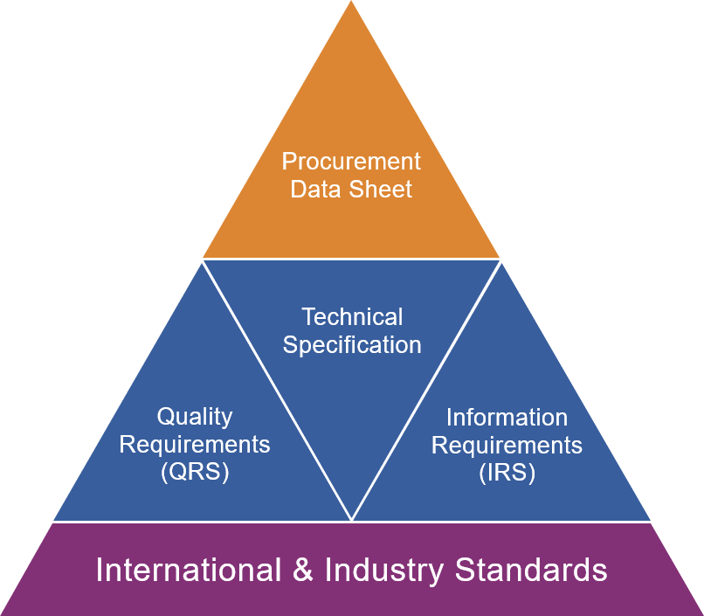
JIP33 Specification for Procurement Documents Procurement Data Sheet

Procurement Data Sheet
Public Review Draft
Row | IOGP S-714-1D (0.1) Data Sheet for Diesel Generator Package (ISO/IEC Offshore) |  |  |  |  |  |  | Issue
2 | Ref. Clause | Description | Purchaser requirement | Purchaser requirement UOM | Supplier offered value | Supplier offered UOM | Additional notes
3 |  | Part 1: Application, ratings, performance, and testing of diesel generator packages
Public Review Draft
4 |  | Tag number : | input data |  | input data
5 |  | Tag description : | input data |  | input data
6 |  | Conformity assessment system (CAS) level : | D |  | D
7 |  | Project country : | input data |  | input data
8 |  | Project region : | input data |  | input data
9 |  | Diesel generator package installation facility type : | select |  | select
10 |  | Diesel generator package installation environment : | select |  | select
11 |  | Diesel generator package configuration : | select |  | select
12 |  | Classification society certification : | select |  | select
13 |  | Power required at generator terminals : | input data | kVA | input data | kVA
14 |  | Diesel generator package rated power factor : | 0.8 |  | 0.8
15 |  | a.c. generator rated voltage : | input data | V | input data | V
16 |  | a.c. generator rated frequency : | 50 | Hz | 50 | Hz
17 |  | Start-up time - actuation of start signal to power at generator terminals : | input data | s | input data | s
18 |  | Diesel generator package power rating category : | select |  | select
19 |  | Governing system performance class : | select |  | select
20 |  | Control mode : | select |  | select
21 |  | Black start feature : | select |  | select
22 |  | External shutdown override provision : | not required |  | not required
23 |  | Maximum ambient temperature : | input data | °C | input data | °C
24 |  | Minimum ambient temperature : | input data | °C | input data | °C
25 |  | Relative humidity at maximum operating temperature​ : | input data | % | input data | %
26 |  | Auxiliary motor - specification : | select |  | select
27 |  | Auxiliary a.c. supply data : | input data |  | input data
28 |  | Utility air maximum supply pressure : | input data | select | input data | select
29 |  | Utility air minimum supply pressure : | input data | select | input data | select
30 |  | Cooling medium supply pressure : | input data | select | input data | select
31 |  | Cooling medium supply temperature : | input data | select | input data | select
32 |  | Cooling medium design pressure : | input data | select | input data | select
33 |  | Cooling medium source : | input data |  | input data
34 |  | Acoustic enclosure : | select |  | select
35 |  | Diesel generator sound pressure level limit : | input data | dBA | input data | dBA
36 |  | Fire suppression system : | select |  | select
37 |  | Installed reserve fire suppressant and propellant : | select | % | select | %
38 |  | Lighting level inside enclosure : | 20 | lx | 20 | lx
39 |  | Number of gas detectors : | input data |  | input data
40 |  | Gas detector model : | input data |  | input data
41 |  | Number of fire detectors : | input data |  | input data
42 |  | Fire detector model : | input data |  | input data
43 |  | Acoustic enclosure material of construction : | select |  | select
44 |  | Maximum sound pressure level of diesel generator - without noise enclosure : | input data | dBA | input data | dBA
45 |  | Atmospheric corrosivity category : | select |  | select
46 |  | Surface protection durability category : | medium (M) 7 to 15 years |  | medium (M) 7 to 15 years
47 |  | Duration of fire integrity of the enclosure : | 60 | min | 60 | min
48 |  | Blast over pressure : | input data | kPa | input data | kPa
49 |  | Part 2: Engines
50 |  | Diesel fuel specification : | select |  | select
Public Review Draft
51 |  | Diesel fuel heating value - LHV : | input data | kJ/kg | input data | kJ/kg
52 |  | Specific fuel consumption at 100 % load at site condition : | input data | kg/kW⋅h | input data | kg/kW⋅h
53 |  | Air inlet shut-off valve : | select |  | select
54 |  | Service power : | input data | kW | input data | kW
55 |  | Exhaust emission limits - regulation : | select |  | select
56 |  | Type of primary starting system : | select |  | select
57 |  | Type of secondary starting system : | select |  | select
58 |  | Battery monitoring and protection : | select |  | select
59 |  | Battery isolator enclosure type : | select |  | select
60 |  | Battery charging source : | select |  | select
61 |  | Pneumatic starting system type : | select |  | select
62 |  | Pneumatic source : | select |  | select
63 |  | Minimum pneumatic starting pressure : | input data | select | input data | select
64 |  | Pneumatic starting flow rate : | input data | select | input data | select
65 |  | Air vessel design pressure : | input data | select | input data | select
66 |  | Air vessel capacity : | input data | select | input data | select
67 |  | Air vessel design standard : | select |  | select
68 |  | Air vessel certification : | select |  | select
69 |  | Hydraulic charge pump : | select |  | select
70 |  | Hydraulic accumulator design standard : | select |  | select
71 |  | Hydraulic accumulator certification : | select |  | select
72 |  | Diesel fuel storage tank running time at 100 % load : | input data | h | input data | h
73 |  | Diesel fuel tank material : | select |  | select
74 |  | Diesel fuel day tank automatic filling system : | select |  | select
75 |  | Exhaust gas spark arrestor : | select |  | select
76 |  | Part 3: Alternating current generators
77 |  | a.c. generator type : | synchronous |  | synchronous
78 |  | Generator speed : | input data | r/min | input data | r/min
79 |  | Generator manufacturer : | input data |  | input data
80 |  | Generator model : | input data |  | input data
81 |  | Generator duty : | S1 |  | S1
82 |  | Generator rated current : | input data | A | input data | A
83 |  | Generator efficiency at 100 % load : | input data | % | input data | %
84 |  | Stator connection type : | select |  | select
85 |  | Generator output connections : | select |  | select
86 |  | System neutral earthing : | select |  | select
87 |  | Separate neutral terminal box : | select |  | select
88 |  | Removable copper link between earth terminal and neutral terminal : | select |  | select
89 |  | Stator winding pitch : | input data |  | input data
90 |  | Generator ingress protection : | select |  | select
91 |  | Terminal box ingress protection : | select |  | select
92 |  | Power terminal box mounting : | select |  | select
93 |  | Differential protection current transformer (Class PS) : | select |  | select
94 |  | Instrumentation and junction box - ingress protection : | select |  | select
95 |  | Generator cooling method : | select |  | select
Public Review Draft
96 |  | Generator stator winding insulation thermal class and temperature rise : | select |  | select
97 |  | Available short circuit current at point of connection : | input data | kA | input data | kA
98 |  | Generator short circuit current rating time : | input data | s | input data | s
99 |  | Generator winding RTD : | select |  | select
100 |  | Bearing type : | select |  | select
101 |  | Bearing RTDs : | select |  | select
102 |  | Part 4: Control panel
103 |  | Control panel location : | select |  | select
104 | IOGP S-7141, 7.2, Table 1 , Table 2 | Diesel generator operation : | select |  | select
105 |  | Generator synchronization : | select |  | select
106 |  | Generator breaker and protection relay location : | purchaser's switchboard |  | purchaser's switchboard
107 |  | Media for interface with supervisory system : | select |  | select
108 |  | Protocol for interface with supervisory system : | select |  | select
109 |  | Media for interface with power management system : | select |  | select
110 |  | Protocol for interface with power management system : | select |  | select
111 |  | Automatic voltage regulator control mode : | select |  | select
112 |  | Starting current of the largest DOL start motor : | input data | A | input data | A
113 |  | Control panel ingress protection : | select |  | select
114 |  | Separate control power battery charger required : | select |  | select
115 |  | Separate control power battery charger type : | manufacturer's standard |  | manufacturer's standard
116 |  | Separate control power battery charger arrangement : | single |  | single
117 |  | Separate control power battery type : | select |  | select

Supplement
Row |  | IOGP S-714-1D (0.1) Procurement Data Sheet for Diesel Generator Package (ISO/IEC Offshore) | Issue
2 | PURCHASE ORDER SPECIFIC REQUIREMENTS
3 | Delete this sheet if not required
Public Review Draft
4
5
6
7
8
9
10
11
12
13
14
15
16
17
18
19
20
21
22
23
24
25
26
27
28
29
30
31
32
33
34
35
36
37
38
39
40
41
42
43
44
45
46
47
48
49
50
51
52
53
54
55
56
57
58
59
60
61
62
63
64
65
66
67
68
69
70
71
72
73
74
75
76
77
78
79
80
81
82
83
84
85
86
87
88
89
90
91
92
93

Guidance
Public Review Draft
IOGP S-714-1D (0.1) Procurement Data Sheet for
Diesel Generator Package (ISO/IEC Offshore)

Guidance on the use of this procurement data sheet

To be used in conjunction with:
IOGP S-714-1 Specification for Diesel Generator Package (ISO/IEC Offshore).

This procurement data sheet is designed to be used in MS Excel electronic format by the purchaser and the supplier.

This procurement data sheet, completed with requested values, should be delivered back to the purchaser by using the procurement data sheet template or other mutually agreed method.

Ref. Clause provides reference back to the parent standard or the supplementary specification where relevant.

Guidance specific to an item may be provided as a note in the description. This guidance is meant to provide a better understanding of the procurement data sheet item and/or an explanation of how to complete the input.

Additional notes may be used by the purchaser or supplier to provide additional information pertinent to the specification or supply of the equipment.

Issue should be used by the purchaser for revision purposes. After the first issue, for each subsequent revision of the procurement data sheet that is issued to suppliers for enquiry or purchase, the purchaser should use this column to denote that the data on a specific row has been updated since the previous revision. This enables the supplier to easily identify where changes have been made.

Default values (if applicable) have been set according to essential minimum requirements as an integral part of this specification and should only be changed where specific justification can be provided.

The Supplement worksheet is provided in an open format for application of specific items not covered in the main part of the procurement data sheet. This worksheet is not intended to modify requirements defined in the specification.

Purchaser requirement and Purchaser requirement UOM specify the functional and early design requirements of the equipment. Specified requirements allow the supplier to provide an offer to the purchaser.

Supplier offered value and Supplier offered UOM are used by the supplier to declare the offered value. Where the offered product characteristic differs from the Purchaser requirement, the cell shading is automatically updated (by conditional formatting) to highlight the deviation from the Purchaser requirement.

Public Review Draft
Requirement CFIHOS ID and Equipment CFIHOS ID are prepopulated and hidden in columns K and L of the procurement data sheet worksheet. The purpose of the CFIHOS IDs is to enable information exchange in a data-centric manner.

Legend

select | Purchaser completed, drop-down list of pre-defined values (may be prepopulated with a default value)
input data | Purchaser completed data entry
select | Supplier completed, drop-down list of pre-defined values
input data | Supplier completed data entry
select | Either supplier or purchaser completed, drop-down list of predefined values (may be prepopulated with a default value)
input data | Either supplier or purchaser completed data entry
select | Selection of units from a pre-defined drop-down list
select | No input expected
input data | No input expected
UOM | Fixed unit of measure
UOM | Fixed unit of measure
 | No unit of measure (null)

Configuration of purchaser and supplier input columns
The following table, to be read alongside the above legend, shows the possible combinations of relationships between purchaser requirement and supplier offered values.

Purchaser requirement |  | Purchaser requirement UOM | Supplier offered value | Supplier offered UOM
select |  | select | select | select
input data |  | select | input data | select
select |  | UOM | select | UOM
input data |  | UOM | input data | UOM
select |  |  | select
input data |  |  | input data
select |  | select | select | select
input data |  | select | input data | select
select |  | UOM | select | UOM
input data |  | UOM | input data | UOM
select |  |  | select
input data |  |  | input data
select |  | select | select | select
input data |  | select | input data | select
select |  | UOM | select | UOM
input data |  | UOM | input data | UOM
select |  |  | select
input data |  |  | input data

Back Cover
Public Review Draft

